1. Title Page
Instacart Grocery Basket Analysis

Project Name: Instacart Grocery Basket Analysis
Date: 9/15/2024
Analyst Name: Ivonne Aspilcueta

Contents:
Population Flow
Consistency checks
Wrangling steps
Column derivations
Visualizations
Recommendations

Data Citiation: | “The Instacart Online Grocery Shopping Dataset 2017”, Accessed from www.instacart.com/datasets/grocery-shopping-2017 via Kaggle on 8/14/2024.
 | Data explored in Exercises 4.9 , 4.10, and “prices” column in the' products' data set, were both fabricated for the purpose of this project.

2. Population Flow
Title page

Population flow

Exclusion flag
Condition: max_order <
Obervations to be removed:
Final total count of order_products_all:

Orders_products_combined
Orders_products_merged
Orders_products_all

Total: 32404859
Total: 32434489
Total: 32404859

1.) The grey boxes in the first row of the population flow represent the original data sets as they were when you downloaded them. In the Total fields you need to add the count of the rows when you imported the data set into Jupyter.
2.) The second row of boxes (coloured) represents the data sets after you manipulated them, e.g., removed missing values and duplicates. In the Total fields you need to add the count of the rows after conducting these operations. This offers a visual oveview of how the data flows throughout the data consistency checks.
3.) The third row, where also the arrows are coloured, represents the merges you performed between the datasets. In the Total fields you need to add the count of the rows in the merged datasets, so that you end up with the final dataset (in the red box). Keep in mind the final dataset should be without exclusions (based on the exclusion flag).

3. Consistency checks
 |  |  |  | Title page
Consistency checks

Dataset | Missing values | Missing values treatment | Duplicates
orders | 206209 in days_since_prior_order | To address the missing values in the 'days_since_prior_order' column, I have use the method of imputing these missing values with a placeholder indicating first orders. If the missing values are indeed for first orders, they are imputed with a placeholder boolean value of 'True'. This value will indicate that there was no prior order, distinguishing these entries from valid numerical data. | no duplicates found
products | 16 in product_name | extracted a subset without missing values and name it 'products_cleanData' | 5 duplicates found
orders_products_prior | no missing values | n/a | no duplicates found
customers | no missing values | n/a | no duplicates found

4. Wrangling steps
 |  |  |  |  | Title page
Wrangling steps

Dataset | Columns dropped | Columns renamed | Columns' type changed | Comment/Reason
orders | eval_set |  |  | not relevant to the analysis
 |  | order_dow has been renamed to orders_day_of_ week |  | easy to understand
 |  |  | order_id | Changed to String Type
 |  |  | user_id | Changed to String Type
 |  | days_since_prior_order renamed to days_since_last_order |  | easy to understand
department |  | Index |  | transposed dataset and added an index and new header
 |  | First Name |  | Changed to first_name for consistency
 |  | surnam |  | Changed to last_name for consistency
 |  | Gender |  | Changed to gender for consistency
 |  | STATE |  | Changed to state for consistency
 |  | Age |  | Changed to age for consistency
 |  | fam_status |  | Changed to marital_status for consistency
 |  | n_dependants |  | Changed to num_dependants for consistency
 |  |  |  | Changed to num_dependants for consistency
 | first_name |  |  | PII
 | last_name |  |  | PII
 | _merge |  |  | _merge flag removed since it's no longer relevant to further analysis.
 |  | Unnamed changed to department_id |  | changed working with departments dataframe

5. Column derivations
 |  |  |  |  |  | Title page

Column derivations and aggregations

In this tab you should add tables below that the frequences of flags/label variables that you produced after deriving them. NB: don't do this for continuous variables, only for flags.
Dataset | New column | Column/s it was derived from | Conditions
df_ords_prods_merged | price_label | prices | if price is <=5 = 'Low range product' if price is >5 and <=15 = 'Mid range product' if price is >15 = 'High range product

df_ords_prods_merged | busiest_day | order_dow | 0 (Saturday) = Busiest day 4 (Wednesday) = Least busy any other day of the week = Regularly busy | busiest_days | spending_flag
 |  |  |  | Regularly busy 12916111 | Low spender 31770614
 |  |  |  | Busiest days 11864412 | High spender 634245
df_ords_prods_merged | busiest_period_of_day | order_hour_of_day | if value in 10,11,14,15,13,14,16,9 ="Most orders" elif value in 6,0,1,5,2,4,3 = "Fewest orders" else = "Average orders" | Slowest days 7624336 | Name: count, dtype: int64
 |  |  |  | Name: count, dtype: int64
 |  |  |  | price_range_loc | frequency_flag
 |  |  |  | NaN 21208222 | Frequent customer 21559853
filtered_cust_merged_all | region | State | northeast_region_1 = ['Maine', 'New Hampshire', 'Rhode Island', 'Vermont', 'Massachusetts', 'Connecticut', 'New York', 'Pennsylvania', 'New Jersey'] midwest_region_2 = ['Illinois', 'Indiana', 'Iowa', 'Kansas', 'Michigan', 'Minnesota', 'Missouri', 'Nebraska', 'North Dakota', 'Ohio', 'South Dakota', 'Wisconsin'] south_region_3 = ['Alabama', 'Arkansas', 'Delaware', 'District of Columbia', 'Florida', 'Georgia', 'Kentucky', 'Louisiana', 'Maryland', 'Mississippi', 'North Carolina', 'Oklahoma', 'South Carolina', 'Tennessee', 'Texas', 'Virginia', 'West Virginia'] west_region_4 = ['Alaska', 'Arizona', 'California', 'Colorado', 'Hawaii', 'Idaho', 'Montana', 'Nevada', 'New Mexico', 'Oregon', 'Utah', 'Washington', 'Wyoming'] | Low-range product 10126321 | Regular customer 7208564
 |  |  |  | Mid-range product 652638 | Non-frequent customer 3636437
 |  |  |  | High-range product 417678 | NaN 5
 |  |  |  | Name: count, dtype: int64 | Name: count, dtype: int64
 |  |  |  | busiest_period_of_day | activity_flag
 |  |  |  | Most orders 18499539 | high-activity customer 30964564
 |  |  |  | Average orders 13018499 | low-activity customer 1440295
 |  |  |  | Fewest orders 886821 | Name: count, dtype: int64
profiling_cust_data | customer_profile | age marital_status num_dependants | if (marital_status == 'living with parents and siblings'): return 'Living with Parents' elif (marital_status == 'single') and (age < 25): return 'Young Adult no dependants' elif (marital_status == 'single') and (age >= 25): return 'Adult no dependants' elif (marital_status == 'married') and (num_dependants == 1): return 'Married Without Children' elif (marital_status == 'married') and (num_dependants in [2, 3]): return 'Married With Children' elif marital_status == 'divorced/widowed': return 'Divorced / Widowed' else: # Unknown Profile return 'Unknown Profile' | Name: count, dtype: int64
 |  |  |  | loyalty_flag Regular customer 15876776 Loyal customer 10284093 New customer 6243990 Name: count, dtype: int64 | age_group 65+ 8195544 25-40 7733239 41-54 6818100 55-64 4802487 18-24 3415194 Name: count, dtype: int64
 |  |  |  | customer_profile Married With Children 14532650 Married Without Children 7211061 Adult no dependants 4268900 Divorced / Widowed 2645271 Living with Parents 1481172 Young Adult no dependants 825510 Name: count, dtype: int64

6. Visualizations
 |  |  | Title page

Visualizations

 |  |  |  |  | ORDERS:

 |  | What are the busiest days and hours of the day for orders?
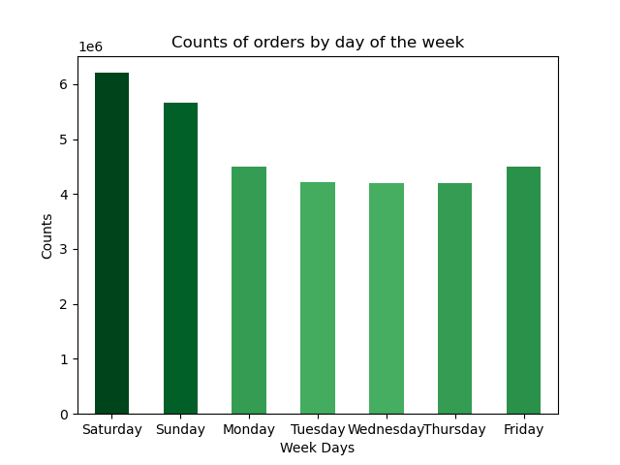
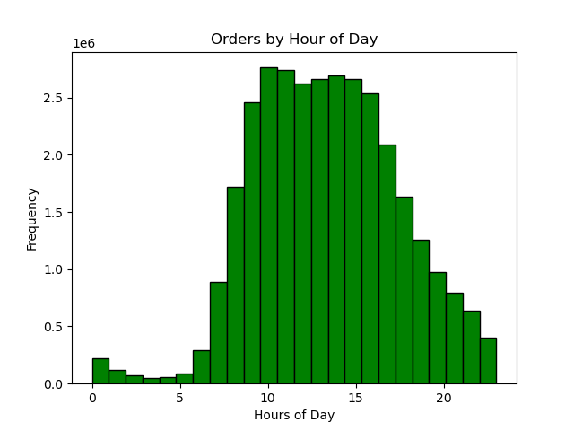

 |  |  |  |  |  | The two charts show that the busiest days of the week are weekends, Saturday and Sunday. Busiest hours of day for ordering are between 9:00 am and 4:00 pm. Based on this information you can create ads or producvts promotions onthe busier or slower times depending if you are trying to increase orders during slow times, or place ads for certain products that are hard to sell on the busiest hours.

 |  |  |  |  | PRICES:

 | What times of Day do People Spend the Most Money?


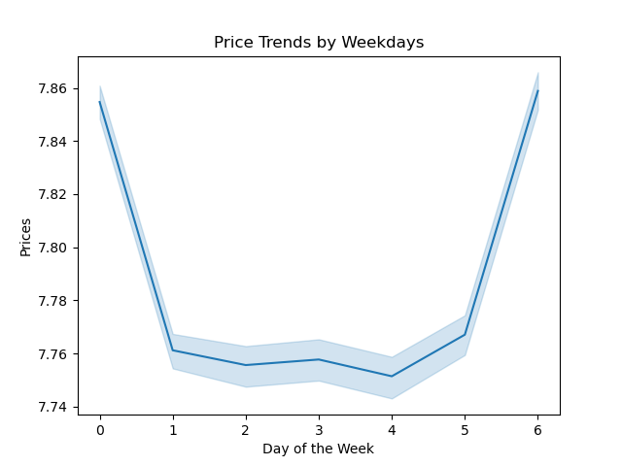
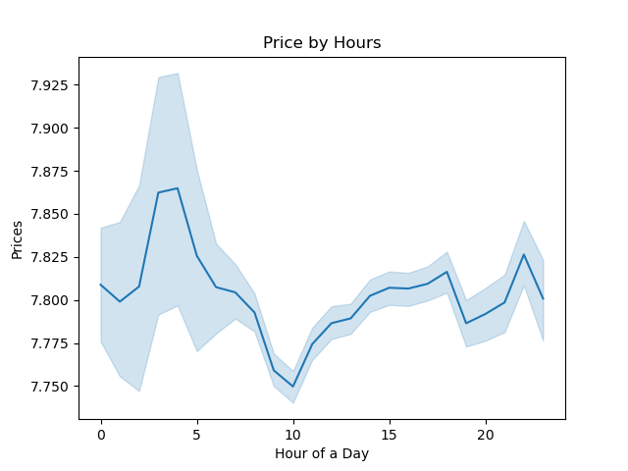

 |  |  |  |  |  |  |  |  |  | Most products are between $1 and $15, while a few are higher priced at $15 to $25. The peaks on days zero and six mean that most money is spent on Friday and Saturday. This might be due to people stocking up on things before the weekend. Price volume distribution appear to be steady and do not change much during the day. It fluctuates between 7.750 and 7.850.

 |  |  |  |  | Customers:

Key Questions:
The marketing and sales teams are particularly interested in the different types of
customers in their system and how their ordering behaviors differ:
What’s the distribution among users in regards to their brand loyalty (i.e., how
often do they return to Instacart)?
Are there differences in ordering habits based on a customer’s loyalty status?
Are there differences in ordering habits based on a customer’s region?
Is there a connection between age and family status in terms of ordering
habits?
What different classifications does the demographic information suggest?
Age? Income? Certain types of goods? Family status?
What differences can you find in ordering habits of different customer
profiles?

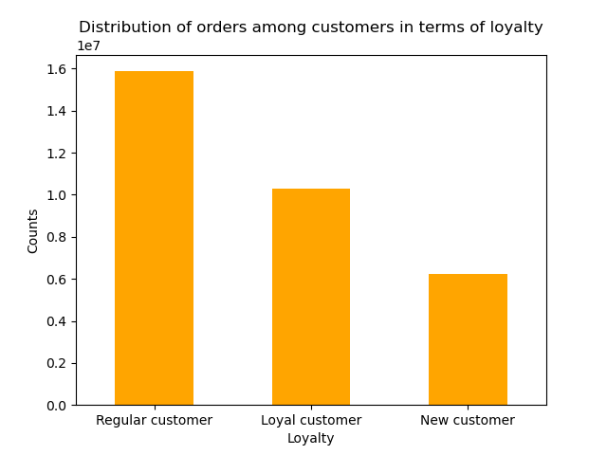
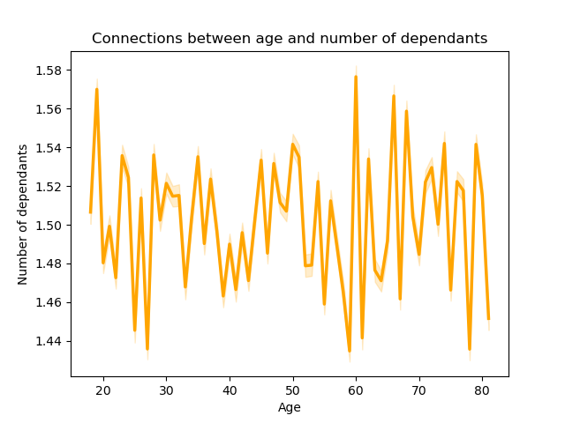
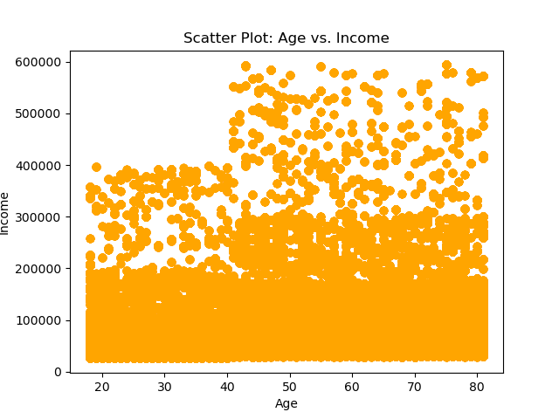

 |  |  |  |  |  |  |  |  |  |  |  | In terms of Loyalty, Regular customers orders more. No correlation between variables number of dependents and age groups. There is no relationship between number of dependents and age. Based on the scatter plot, an income increase present after the age of 40+ has been identified.

 |  |  |  | Customer Profile

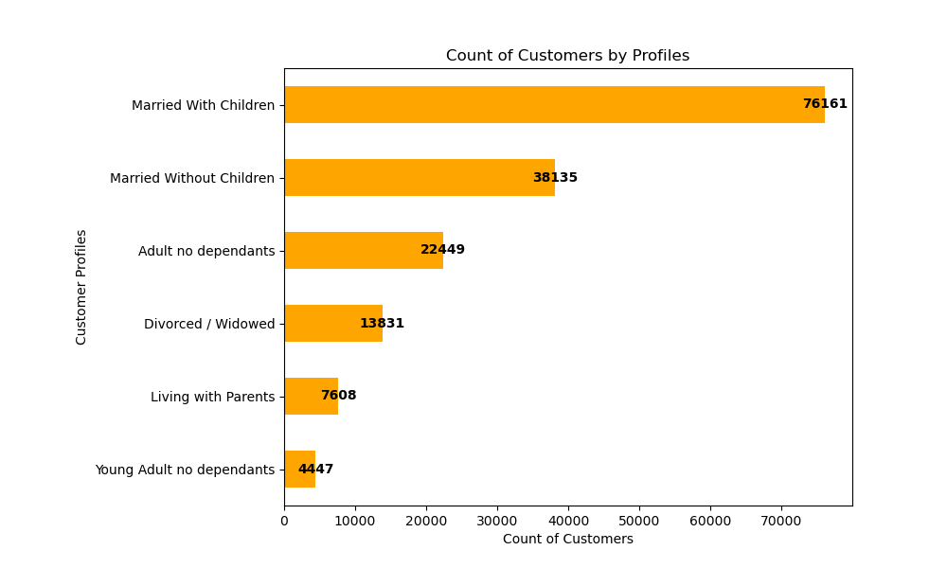

 |  |  |  |  |  |  |  |  |  |  | Married with children are the majority of the customers who shop on Instacart. They also bring the highest revenue to Instacart

 |  |  |  | Additional analysis to answer key questions:

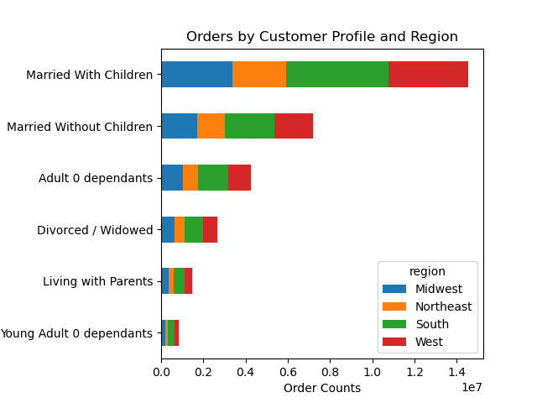
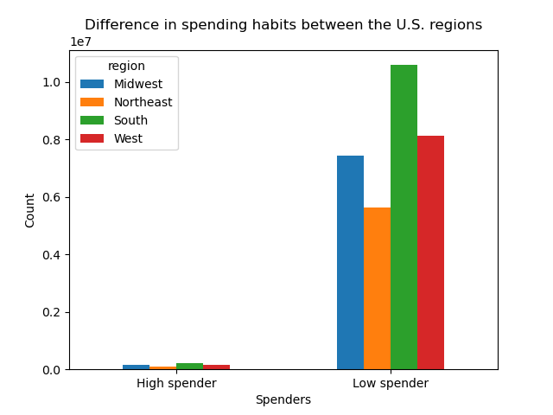

 |  |  |  |  |  |  | As you can see, customers married with children order more in any region comparing to the other profiles. Seems that customers do not spend much in products, most likely they will spend on the basics they will need.

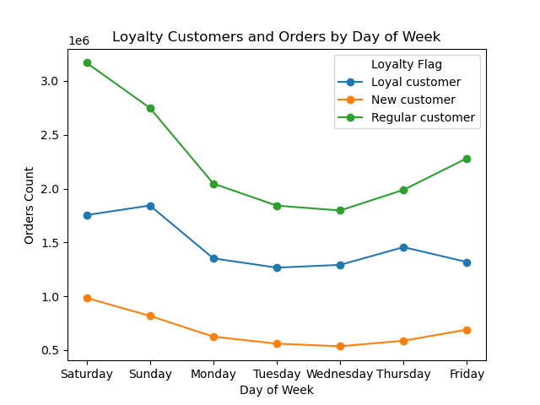
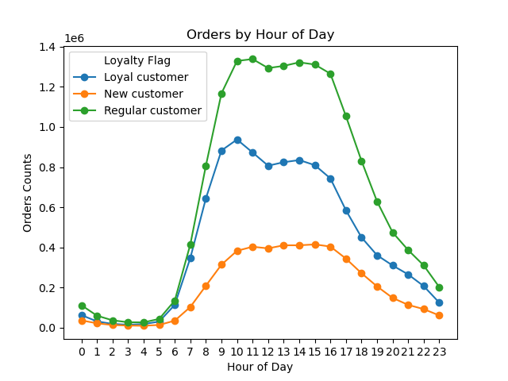

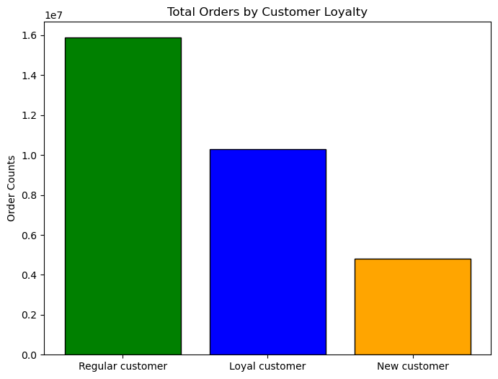

 |  |  |  |  |  |  |  |  |  |  |  |  | Regular customers are the ones who orders more, we know now they are not big spenders, but they are the ones who order more frequent, especially during the weekend. And between 9:00 am to 4pm are the most sales and where you can find the customers to be the majority regulars.

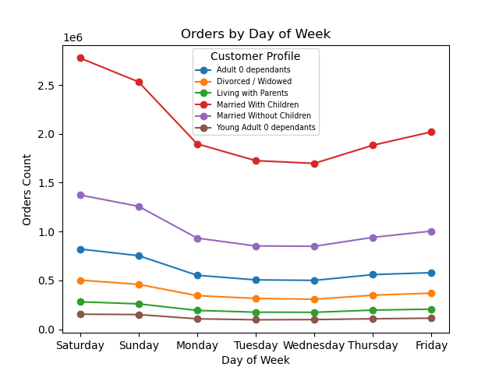
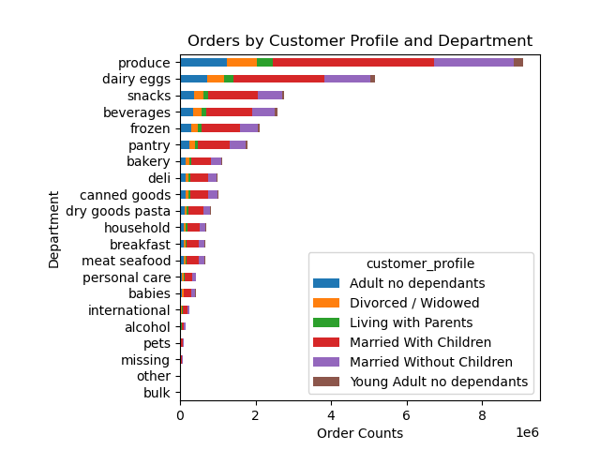

 |  |  |  |  |  |  |  | In this two graphs, we can see customers married with children are the ones that have the majority of the orders placed in Instacart. The peak days are Thursday, Friday and Saturday, then we see a declination of orders on Sunday, one of the reason could be they save that day for family gatherings in comparison with the other customers profiles which they pretty much maintain the same flow. Produce and dairy eggs are the top orders from all customers, but the ones with most orders are the customers married with children.

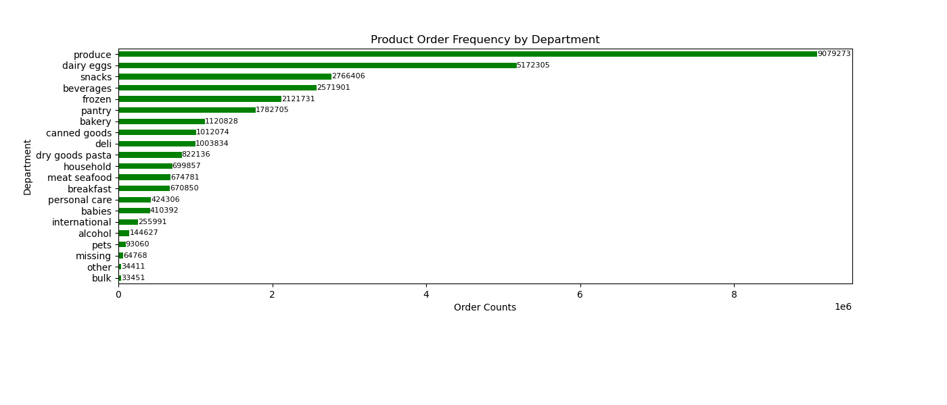

 |  |  |  |  |  |  |  |  | On this graph we can see produce is the department with most frequent orders, follow by dairy eggs. And the top 5 departments are: Produce, dairy eggs, snacks, beverages and frozen.

7. Recommendations
 |  |  | Title page

Recommendations

In this tab you should include any recommendations you would made to Instcart in terms of their marketing strategy based on the questions posed in the brief. Every key question has been covered in the Tasks of the Exercises - here you need to add an item - a visualisation or table/crosstable that is showing the answer in the data, acompanied by a comment from you. Please, list the questions below and add the answer underneath.

Security/Privacy Notice: Instacart is a real company that’s made their data available online. However, the contents of this project brief have been fabricated for the purpose of this Achievement
Instacart Grocery Project Brief - Key Questions:
1. The sales team needs to know what the busiest days of the week and hours of the day are (i.e., the days and times with the most orders) in order to schedule ads at times when there are fewer orders.
2. They also want to know whether there are particular times of the day when people spend the most money, as this might inform the type of products they advertise at these times.
3. Instacart has a lot of products with different price tags. Marketing and sales want to use simpler price range groupings to help direct their efforts.
4. Are there certain types of products that are more popular than others? The marketing and sales teams want to know which departments have the highest frequency of product orders.
5. The marketing and sales teams are particularly interested in the different types of customers in their system and how their ordering behaviors differ.
For example:
6. What’s the distribution among users in regards to their brand loyalty (i.e., how often do they return to Instacart)?
7. Are there differences in ordering habits based on a customer’s loyalty status?
8. Are there differences in ordering habits based on a customer’s region?
9. Is there a connection between age and family status in terms of ordering habits?
10. What different classifications does the demographic information suggest? Age? Income? Certain types of goods? Family status?
11. What differences can you find in ordering habits of different customer profiles? Consider the price of orders, the frequency of orders, the products customers are ordering, and anything else you can think of.
Question | Answer
Key Question 1 | The busiest days of the week are weekends Saturda and Sunday | The slowest days of the week are Tuesday, Wednesday and Thursday.
Key Question 2 | most orders by the hour are From 9:00am to 4:00pm | highest priced items 3-5am (latenight/early-morning hours)
Key Question 3 | Most products are between $1 and $15, while a few are higher priced at $15 to $25. Price volume distribution appear to be steady and do not change much during the day. It fluctuates between 7.750 and 7.850. | The peaks on days zero and six mean that most money is spent on Friday and Saturday. This might be due to people stocking up on things before the weekend.
Key Question 4 | top 5 departments 1. Produce 2. Dairy Eggs 3. Snacks 4. Beverages 5. Frozen | bottom 5 departments 1. International 2. Alcohol 3. Pets 4. Other 5. Bulk
Key Question 5 | Customer Profiles: 1. Married With Children 2. Married with no children 3. Adult 0 dependants 4. Divorced / Widowed 5. Living with Parents 6. Young Adult 0 dependants | Customers Married with Children are the ones that have the majority of the orders placed in Instacart in comparison with the other customers profiles which they pretty much maintain the same flow.
Key Question 6 | loyalty_flag Regular customer Loyal customer New customer | Regular customer are the ones who placed the majority of the orders.
Key Question 7 | Instacart customer base is mainly 'regular customers'.
Key Question 8 | In all 4 regions the majority of the customers are low spenders | customers married with children order more in any region comparing to the other profiles.
Key Question 9 | No correlation between variables number of dependents and age groups. There is no relationship between number of dependents and age.
1. If you are targeting ads while people are already spending, ads should be targeted for Fri-Sun from 9am-4pm. The departments should focus on Produce (especially organic), Dairy & Eggs, Snacks, and Beverages.
2. Different groups of customers can be targeted thanks to our flags we created. These include:
a. Loyalty (how many orders placed)
b. Spending (how much they spend on average)
c. Frequency (how often they order)
d. Region (where do they live)
3. Regular Customers order more frequently, follow by Loyal Customer and the last New Customers. A savings program to reward members for ordering more frequently would increase consistency of sales. A survey for the new customers to get to know their shopping behavior, and Survey in general to find out the shopping habits of all customers.
4. In All 4 regions the majotity of orders are made by regular customers. Ads to target the loyal and new customer in all regions to increase sales and incentivate more orders placed by these two groups.
5. In all 4 regions low spenders dominate the orders trends. With a saving program and special offers for those products that are not popular may incentive all customers to spend more.
Final Recommendations
Key Question 10 | classication by region (South, West, Midwest, Northeast) Clasification by Customer Profile: 1. Married With Children 2. Married with no children 3. Adult 0 dependants 4. Divorced / Widowed 5. Living with Parents 6. Young Adult 0 dependants | Married with children are the majority of the customers who shop on Instacart. They also bring the highest revenue to Instacart. The relationship between age and income suggest a weak postive correlation supporting data that as age increases, so will spending power, particularly at around 40 years of age.
Key Question 11 | customers married with children are the ones that have the majority of the orders placed in Instacart. The peak days are Thursday, Friday and Saturday, then we see a declination of orders on Sunday, one of the reason could be they save that day for family gatherings in comparison with the other customers profiles which they pretty much maintain the same flow. Produce and dairy eggs are the top orders from all customers, but the ones with most orders are the customers married with children.

